Blad1
 | Sample #10 | 1mW laser power
 | Wavelenght (nm) | Lifetime | Darktime | Jump frequency range (seconds) |  | 1step height | 50step height 1 | Ratio | 50step height 2 | ratio | 50step height 3 | ratio | 50step height 4 | ratio | 50step height 5 | ratio | 400step height | ratio | avg. Ratio | Lifetime ratio during timing
1 | 623 | 46.31% | 53.69% | 0,68 - 52,32 |  | 972 | 452 | 0.46502057613 | 345 | 0.3549382716 | 530 | 0.54526748971 | 465 | 0.47839506173 | 354 | 0.36419753086 | 555 | 0.57098765432 | 0.46313443073 | 68.65%
2
3

 |  |  |  |  | laser power (mW) | Jumps/min. | 1step height | 50step height
 |  |  |  |  | 1 | 4.347 | 972 | 459
 |  |  |  |  | 0.9 | 2.3648 | 1044 | 387
 |  |  |  |  | 0.8 | 1.1565 | 195 | 243
 |  |  |  |  | 0.7 | 0.5968 | 230 | 149

Jumps/min. vs Laser power
Unstable peak height (50step)
Unstable peak height (1step)

Sample #10 (1mW)
Sample #10 | Bright | dark | total time (seconds) | ratio Bright/total
1 mW | 2.15 | 0.78 | 607.31 | 0.68650277453
peak on 623 nm | 3.77 | 1.48 | jumps (amount of appearances) | Jump frequency (avg jumps per minute)
 | 0.79 | 1.23 | 44 | 4.34703858
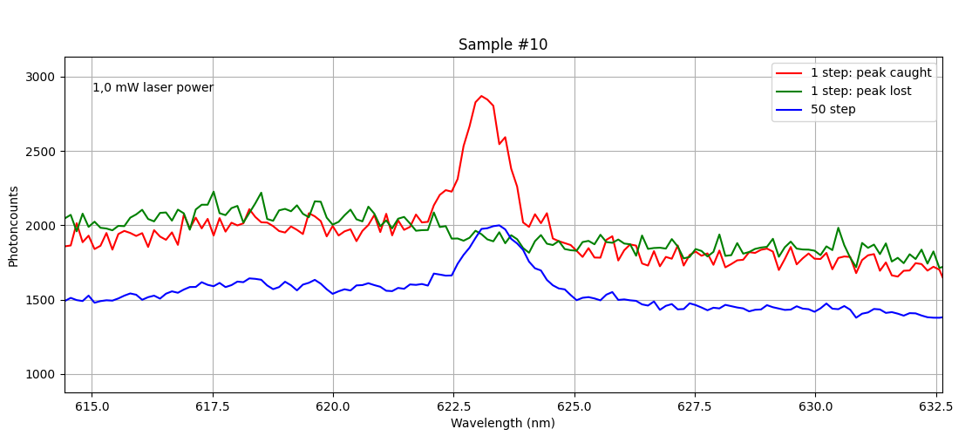
 | 10 | 1.43
 | 2.55 | 1.29
 | 16.84 | 0.68
 | 2.37 | 5.13
Bright vs Dark (1mW)
 | 6.27 | 2.11
 | 3.06 | 0.81
 | 2.37 | 2.31
 | 4.28 | 4.48
 | 1.27 | 12.17
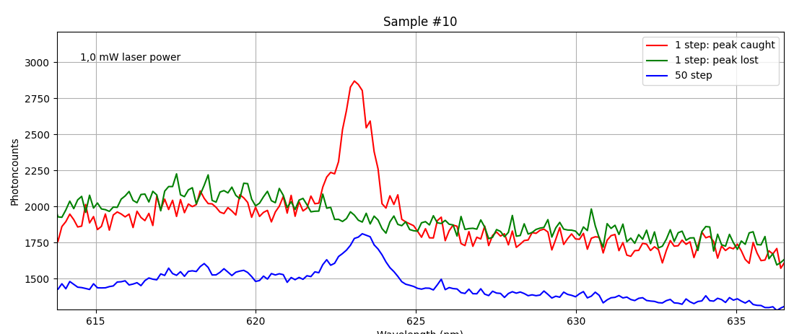
 | 16.28 | 3.04
 | 4.61 | 1.28
 | 11.98 | 1.07
 | 3.9 | 8.52
 | 1.91 | 11.49
 | 2.25 | 2.83
 | 6.26 | 0.97
 | 1.69 | 46.6
 | 8.82 | 3.31
 | 28.58 | 1.2
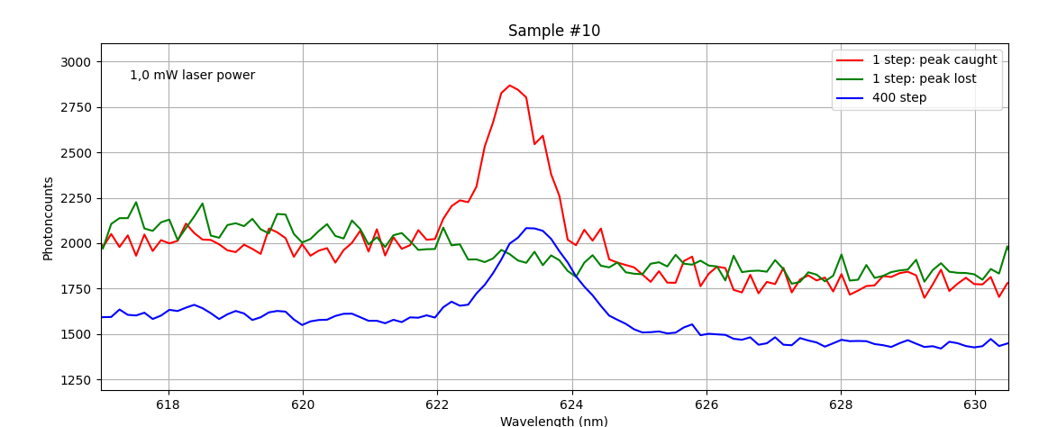
 | 2.04 | 25.62
 | 19.11 | 2.12
 | 19.09 | 8.88
 | 6.56 | 1.51
 | 5.99 | 5.8
 | 10.34 | 6.26
 | 17.17 | 0.79
 | 6.17 | 0.7
 | 8.42 | 1.12
 | 3.82 | 2.1
 | 0.89 | 1.73
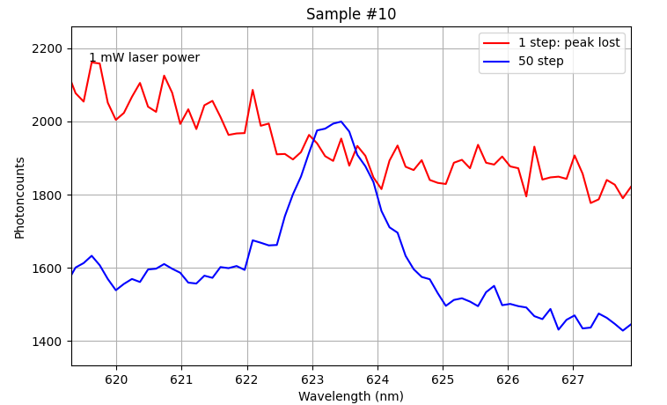
 | 52.32 | 0.74
 | 9.03 | 1.48
 | 20.79 | 2.54
 | 4.62 | 1.47
 | 11.43 | 1.87
 | 20.13 | 1.94
 | 3.27 | 1.63
 | 7.55 | 1.03
 | 23.2 | 2.63
 | 22.98 | 5
 | 416.92 | 190.39

Sample #10 (0,9 mW)
Sample #10 | Bright | Dark | total time (seconds) | ratio Bright/total
0,9 mW | 24.41 | 3.46 | 532.81 | 0.66021658753
peak on 623 nm | 5.24 | 3.54 | jumps (amount of appearances) | Jump frequency (avg jumps per minute)
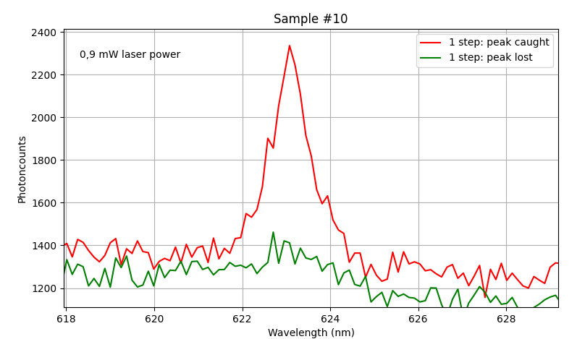
 | 1.1 | 5.29 | 21 | 2.3648204801
 | 6.41 | 6.43
 | 28.86 | 0.84
 | 16.53 | 0.52
 | 7.79 | 0.99
 | 1.3 | 1.51
 | 0.71 | 12.31
 | 27.45 | 0.9
 | 1.73 | 1.62
 | 6.61 | 5.43
 | 10.99 | 103.93
 | 6.95 | 0.82
 | 9.59 | 1.62
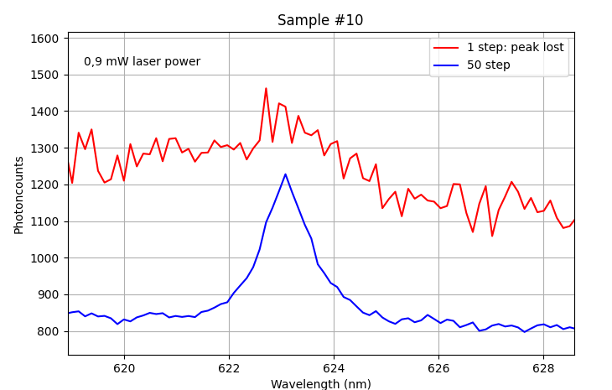
 | 22.08 | 19.31
 | 25.17 | 2.05
 | 116.66 | 8.02
 | 25.88 | 1.03
 | 6.31 | 1.42
 | 351.77 | 181.04

Sample #10 (0,8mW)
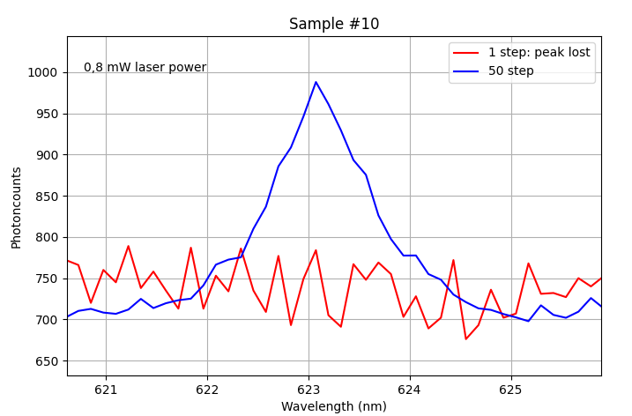
Sample #10 | Bright | Dark | total time (seconds) | ratio Bright/total
0,8 mW | 39.82 | 0.93 | 570.69 | 0.94052813261
peak on 623 nm | 98.33 | 5.93 | jumps (amount of appearances) | Jump frequency (avg jumps per minute)
 | 42.92 | 2.22 | 11 | 1.1564947695
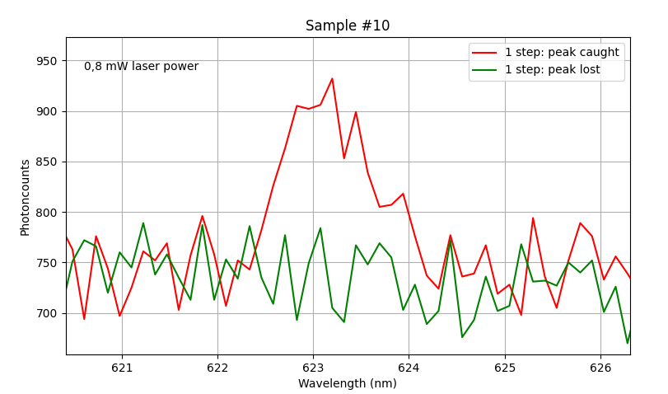
 | 112.59 | 1.01
 | 70.11 | 2.16
 | 85.74 | 2.31
 | 11.37 | 2.89
 | 45.89 | 2.21
 | 63.42 | 2.98
 | 6.38 | 12.23
 | 536.75 | 33.94

Sample #10 (0,7mW)
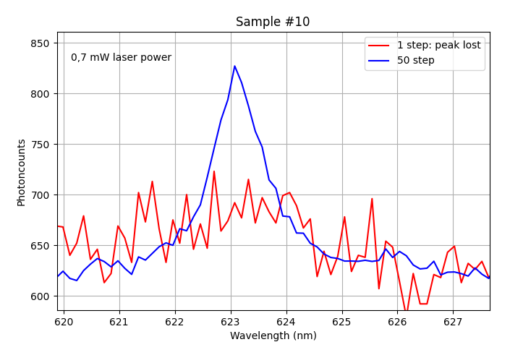
Sample #10 | Bright | Dark | total time (seconds) | ratio Bright/total
0,7 mW | 56.24 | 8.69 | 502.65 | 0.98074206704
peak on 623 nm | 444.54 | 0.63 | jumps (amount of appearances) | Jump frequency (avg jumps per minute)
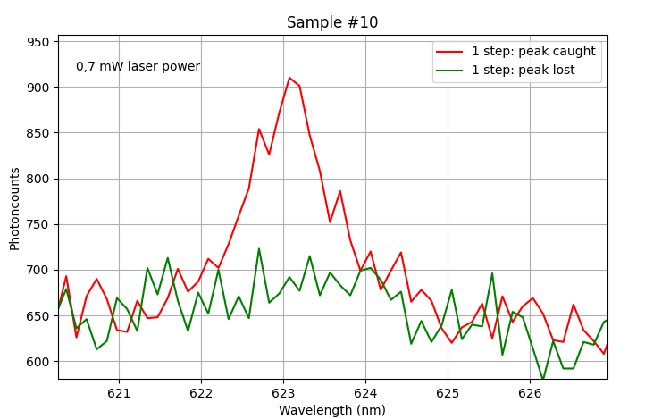
 | 13.13 | 7.67 | 5 | 0.59683676514
 | 35.3 | 1.38

 | 492.97 | 9.68

